实现指令
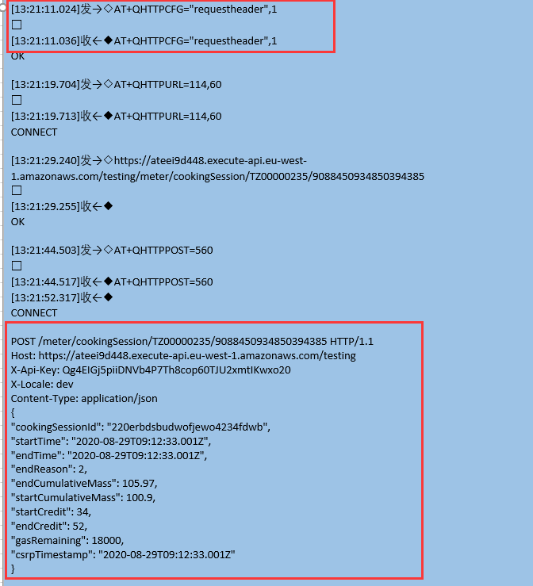
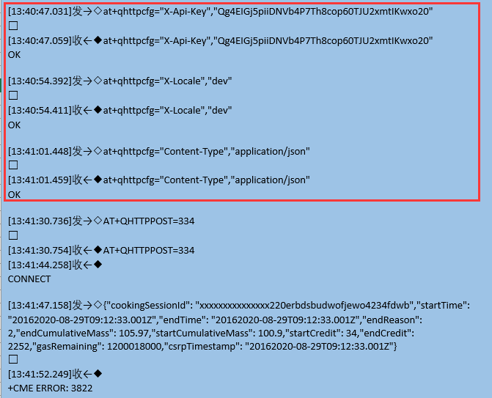
API访问：与上版相比增加红色部分，上一版测试时，通过增加两条指令：“AT+QSSLCFG="sni",0,1” “at+qhttpcfg="Content-Type","application/json"” 解决了通信故障。在上一片的API指令中，增加下红色部分
发：curl -X POST "https://ateei9d448.execute-api.eu-west-1.amazonaws.com/testing/meter/cookingSession/TZ00000235/9088450934850394385" --header "X-Api-Key: Qg4EIGj5piiDNVb4P7Th8cop60TJU2xmtIKwxo20" --header "X-Locale: dev" --header "Content-Type: application/json" --data-raw "{"cookingSessionId": "220erbdsbudwofjewo4234fdwb","startTime": "2020-08-29T09:12:33.001Z","endTime": "2020-08-29T09:12:33.001Z","endReason": 2,"endCumulativeMass": 105.97,"startCumulativeMass": 100.9,"startCredit": 34,"endCredit": 52,"gasRemaining": 18000,"csrpTimestamp": "2020-08-29T09:12:33.001Z"}"
收：{"statusCode":"CookingSession recorded-201","message":"The Cooking Session of meterId TZ00000235 was recorded succesfully"}
测试时采用“用户自定义的QHTTPCFG”和“非用户自定义QHTTPCFG”进行测试，测试返回结果：ERROR 3822，两者间的测试LOG差异，如下图所示：

POST指令
[18:29:49.183]发→◇ATE0
□
[18:29:49.195]收←◆ATE0
OK
[18:29:55.551]发→◇AT
□
[18:29:55.555]收←◆
OK
[18:30:23.271]发→◇AT+CSQ
□
[18:30:23.282]收←◆
+CSQ: 31,0
OK
[18:30:31.422]发→◇AT+QIREGAPP
□
[18:30:31.431]收←◆
OK
[18:30:38.191]发→◇AT+QIACT
□
[18:30:38.576]收←◆
OK
[18:30:45.029]发→◇AT+QILOCIP
□
[18:30:45.048]收←◆
100.101.159.229
[18:30:52.798]发→◇AT+QSSLCFG="sni",0,1
□
[18:30:52.815]收←◆
OK
[18:30:59.734]发→◇AT+QSSLCFG="https",1
□
[18:30:59.749]收←◆
OK
[18:31:07.342]发→◇AT+QSSLCFG="httpsctxi",0
□
[18:31:07.357]收←◆
OK
[18:31:24.047]发→◇at+qhttpcfg="requestheader",1
□
[18:31:24.057]收←◆
OK
[18:31:33.806]发→◇at+qhttpurl=114
□
[18:31:33.821]收←◆
CONNECT
[18:31:41.734]发→◇https://ateei9d448.execute-api.eu-west-1.amazonaws.com/testing/meter/cookingSession/TZ00000235/9088450934850394385
□
[18:31:41.748]收←◆
OK
[18:31:52.135]发→◇at+qhttppost=553
□
[18:31:57.792]收←◆
CONNECT
[18:32:05.805]发→◇POST /testing/meter/cookingSession/TZ00000235/9088450934850394385 HTTP/1.1
Host: ateei9d448.execute-api.eu-west-1.amazonaws.com
X-Api-Key: Qg4EIGj5piiDNVb4P7Th8cop60TJU2xmtIKwxo20
X-Locale: dev
Content-Type: application/json
Content-Length: 300
{"cookingSessionId": "220erbdsbudwofjewo4234fdwb","startTime": "2020-08-29T09:12:33.001Z","endTime": "2020-08-29T09:12:33.001Z","endReason": 2,"endCumulativeMass": 105.97,"startCumulativeMass": 100.9,"startCredit": 34,"endCredit": 52,"gasRemaining": 18000,"csrpTimestamp": "2020-08-29T09:12:33.001Z"}
□
[18:32:10.256]收←◆
OK
[18:32:23.399]发→◇at+qhttpread=120
□
[18:32:23.429]收←◆
CONNECT
{"statusCode":"CookingSession recorded-201","message":"The Cooking Session of meterId TZ00000235 was recorded succesfully"}
OK
[18:32:48.790]发→◇AT+QHTTPCFG="requestheader",0
□
[18:32:48.807]收←◆
OK
[18:32:55.622]发→◇AT+QIDEACT
□
[18:32:56.111]收←◆
DEACT OK
[18:39:45.005]发→◇ATE0
□
[18:39:45.012]收←◆ATE0
OK
[18:39:45.155]收←◆
SMS Ready
[18:41:41.765]发→◇AT
□
[18:41:41.771]收←◆
OK
[18:42:46.869]发→◇AT+CSQ
□
[18:42:46.873]收←◆
+CSQ: 31,0
OK
[18:42:53.742]发→◇AT+QIREGAPP
□
[18:42:53.745]收←◆
OK
[18:43:00.749]发→◇AT+QIACT
□
[18:43:01.208]收←◆
OK
[18:43:08.086]发→◇AT+QILOCIP
□
[18:43:08.095]收←◆
100.66.94.6
[18:43:15.918]发→◇AT+QSSLCFG="sni",0,1
□
[18:43:15.925]收←◆
OK
AT+QSSLCFG="sslversion",0, 3
[18:43:26.142]发→◇AT+QSSLCFG="https",1
□
[18:43:26.152]收←◆
OK
[18:43:34.525]发→◇AT+QSSLCFG="httpsctxi",0
□
[18:43:34.542]收←◆
OK
[18:43:42.109]发→◇at+qhttpcfg="requestheader",1
□
[18:43:42.117]收←◆
OK
[18:43:49.982]发→◇at+qhttpurl=114
□
[18:43:49.995]收←◆
CONNECT
[18:43:59.582]发→◇https://ateei9d448.execute-api.eu-west-1.amazonaws.com/testing/meter/cookingSession/TZ00000235/9088450934850394385
□
[18:43:59.600]收←◆
OK
[18:44:19.317]发→◇at+qhttppost=575
□
[18:44:26.685]收←◆
CONNECT
[18:44:34.202]发→◇POST /testing/meter/cookingSession/TZ00000235/9088450934850394385 HTTP/1.1
Host: ateei9d448.execute-api.eu-west-1.amazonaws.com
X-Api-Key: Qg4EIGj5piiDNVb4P7Th8cop60TJU2xmtIKwxo20
X-Locale: dev
Content-Type: application/json
Content-Length: 322
{
"cookingSessionId": "220erbdsbudwofjewo4234fdwb",
"startTime": "2020-08-29T09:12:33.001Z",
"endTime": "2020-08-29T09:12:33.001Z",
"endReason": 2,
"endCumulativeMass": 105.97,
"startCumulativeMass": 100.9,
"startCredit": 34,
"endCredit": 52,
"gasRemaining": 18000,
"csrpTimestamp": "2020-08-29T09:12:33.001Z"
}
□
[18:44:36.833]收←◆
OK
[18:44:46.893]发→◇at+qhttpread=120
□
[18:44:46.900]收←◆
CONNECT
{"statusCode":"CookingSe
[18:44:46.921]收←◆ssion recorded-201","message":"The Cooking Session of meterId TZ00000235 was recorded succesfully"}
OK
[18:44:59.582]发→◇AT+QHTTPCFG="requestheader",0
□
[18:44:59.593]收←◆
OK
[18:45:08.629]发→◇AT+QIDEACT
□
[18:45:09.132]收←◆
DEACT OK

POST指令20200921
[15:05:03.536]发→◇ATE0
□
[15:05:03.555]收←◆
OK
[15:05:09.624]发→◇AT
□
[15:05:09.632]收←◆
OK
[15:05:16.337]发→◇AT+CSQ
□
[15:05:16.349]收←◆
+CSQ: 31,0
OK
[15:05:22.585]发→◇AT+QIREGAPP
□
[15:05:22.602]收←◆
OK
[15:05:30.257]发→◇AT+QIACT
□
[15:05:30.838]收←◆
OK
[15:05:38.097]发→◇AT+QILOCIP
□
[15:05:38.115]收←◆
100.95.174.115
[15:05:44.706]发→◇AT+QSSLCFG="sni",0,1
□
[15:05:44.720]收←◆
ERROR
[15:05:51.656]发→◇AT+QSSLCFG="https",1
□
[15:05:51.661]收←◆
OK
[15:05:57.912]发→◇AT+QSSLCFG="httpsctxi",0
□
[15:05:57.930]收←◆
OK
[15:06:03.856]发→◇at+qhttpcfg="requestheader",1
□
[15:06:03.864]收←◆
OK
[15:06:10.672]发→◇at+qhttpurl=114
□
[15:06:10.678]收←◆
CONNECT
[15:06:19.105]发→◇https://ateei9d448.execute-api.eu-west-1.amazonaws.com/testing/meter/cookingSession/TZ00000111/9088450934850394385
□
[15:06:19.122]收←◆
OK
[15:06:25.697]发→◇at+qhttppost=619
□
[15:06:37.178]收←◆
CONNECT
[15:06:46.758]发→◇POST /testing/meter/cookingSession/TZ00000111/9088450934850394385 HTTP/1.1
Host: ateei9d448.execute-api.eu-west-1.amazonaws.com
X-Api-Key: Qg4EIGj5piiDNVb4P7Th8cop60TJU2xmtIKwxo20
X-Locale: dev
Content-Type: application/json
Content-Length: 366
{
"cookingSessionId": "7656565drrsersxs34e#dyf",
"startTime": "2020-08-29T09:12:33.001Z",
"endTime": "2020-08-29T09:12:33.001Z",
"endReason": 2,
"endCumulativeMass": 105.97,
"startCumulativeMass": 100.9,
"startCredit": 34,
"endCredit": 52,
"gasRemaining": 18000,
"cardId": 3943534095,
"csrpTimestamp": "2020-08-29T09:12:33.001Z"
}
□
[15:06:59.904]收←◆
OK
[15:07:12.136]发→◇at+qhttpread=120
□
[15:07:12.167]收←◆
CONNECT
{"statusCode":"CookingSession recorded-201","message":"The Cooking Session of meterId TZ00000111 was recorded succesfully"}
OK
[15:07:24.033]发→◇AT+QHTTPCFG="requestheader",0
□
[15:07:24.049]收←◆
OK
[15:07:31.121]发→◇AT+QIDEACT
□
[15:07:31.597]收←◆
DEACT OK

GET指令
发送：C:\Users\liuwe>curl -X GET "https://ateei9d448.execute-api.eu-west-1.amazonaws.com/dev/meter/settings/TZ00000525" --header "X-Api-Key: Qg4EIGj5piiDNVb4P7Th8cop60TJU2xmtIKwxo20" --header "X-Locale: dev"
接收：{"statusCode":"MeterSettingsFound-200","message":{"command":"STUP","serverPort":5070,"serverURL":"https//xxxxx/xxxx","gasLevel":"999.999","dataUploadPeriod":360,"warningLowBatteryVoltage":"4.50","warningLowCreditBalance":80,"warningLowGasVolumeAlarm":"99.99","meterCurrency":"KSH","uploadFrequency":360,"sensorSlope":"2","sensorIntercept":0.1,"settingDatestamp":"2016-08-29 09:12:33"}}

[10:30:52.755]发→◇AT+QIREGAPP
□
[10:30:52.768]收←◆AT+QIREGAPP
OK
[10:31:00.115]发→◇AT+QIACT
□
[10:31:00.121]收←◆AT+QIACT
[10:31:00.568]收←◆
OK
[10:31:07.411]发→◇AT+QILOCIP
□
[10:31:07.426]收←◆AT+QILOCIP
100.68.246.51
[10:31:15.963]发→◇AT+QSSLCFG="sni",0,1
□
[10:31:15.978]收←◆AT+QSSLCFG="sni",0,1
OK
AT+QSSLCFG="sslversion",0, 3
[10:31:23.811]发→◇AT+QSSLCFG="https",1
□
[10:31:23.826]收←◆AT+QSSLCFG="https",1
OK
[10:31:31.755]发→◇AT+QSSLCFG="httpsctxi",0
□
[10:31:31.770]收←◆AT+QSSLCFG="httpsctxi",0
OK
[10:31:39.459]发→◇at+qhttpcfg="requestheader",1
□
[10:31:39.475]收←◆at+qhttpcfg="requestheader",1
OK
[10:31:47.628]发→◇at+qhttpurl=84
□
[10:31:47.644]收←◆at+qhttpurl=84
CONNECT
[10:31:59.843]发→◇https://ateei9d448.execute-api.eu-west-1.amazonaws.com/dev/meter/settings/TZ00000525
□
[10:31:59.856]收←◆
OK
[10:32:07.891]发→◇at+qhttppost=223
□
[10:32:07.896]收←◆at+qhttppost=223
[10:32:14.530]收←◆
CONNECT
[10:32:20.134]发→◇GET https://ateei9d448.execute-api.eu-west-1.amazonaws.com/dev/meter/settings/TZ00000525 HTTP/1.1
X-Api-Key: Qg4EIGj5piiDNVb4P7Th8cop60TJU2xmtIKwxo20
X-Locale: dev
Host: ateei9d448.execute-api.eu-west-1.amazonaws.com
□
[10:32:23.081]收←◆
OK
[10:32:56.986]发→◇at+qhttpread=120
□
[10:32:57.038]收←◆at+qhttpread=120
CONNECT
{"statusCode":"MeterSettingsFound-200","message":{"command":"STUP","serverPort":5070,"serverURL":"https//xxxxx/xxxx","gasLevel":"999.999","dataUploadPeriod":360,"warningLowBatteryVoltage":"4.50","warningLowCreditBalance":80,"warningLowGasVolumeAlarm":"99.99","meterCurrency":"KSH","uploadFrequency":360,"sensorSlope":"2","sensorIntercept":0.1,"settingDatestamp":"2016-08-29 09:12:33"}}
OK
[10:33:15.035]发→◇AT+QHTTPCFG="requestheader",0
□
[10:33:15.052]收←◆AT+QHTTPCFG="requestheader",0
OK
[10:33:22.084]发→◇AT+QIDEACT
□
[10:33:22.101]收←◆AT+QIDEACT
[10:33:22.598]收←◆
DEACT OK

